SME application form
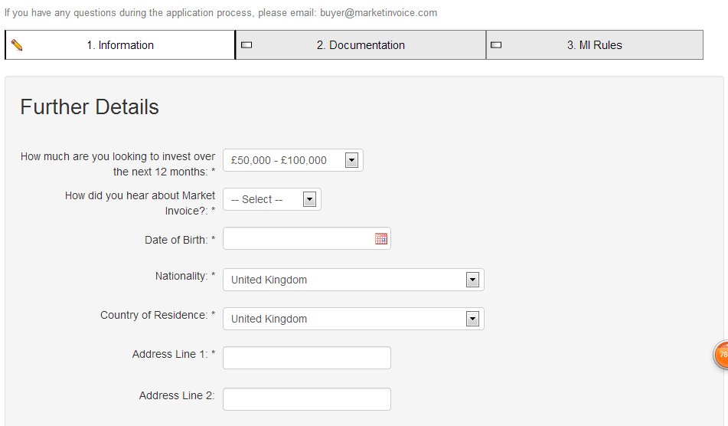
SME application form

 | EntroFine |  |  |  | Remark
# | Tab | Form data field | Mandatory | filling type
2 | Personal information | Title | * |  | captured from registration form, not allowed to be changed
 |  | First Name | *
 |  | Last Name | *
 |  | Email | *
 |  | Gender | * | Key in box
 |  | DOB | * | Key in box
 |  | Country | * | Key in box
 |  | ID type | * | Key in box
 |  | ID number | * | Key in box
 |  | Work phone | * | Key in box
 |  | Mobile phone | * | Key in box
 |  | Position | * | Key in box
 | Company information | Company name | * | Key in box | map to license
 |  | Company establishment date | * | Key in box
 |  | Company registration number | * | Key in box
 |  | Industry sector company operates in | * | Drop down list, mapping to VPBank SME industry segment (for SME indutry blklist)
 |  | Company tax code |  | Key in box | Map to tax code registration doc or license
 |  | Company address | * | Key in box
 |  | District | * | Key in box
 |  | City | * | Key in box
 |  | Region, state or county | * | Key in box
 |  | Country | * | Key in box
 |  | Postcode |  | Key in box
 |  | Different mailing address | optional | the below details is shown up upon applicant's choice
 |  | Mailing address | * | Key in box
 |  | Dsitrict |  | Key in box
 |  | City | * | Key in box
 |  | Region, state or county | * | Key in box
 |  | Country | * | Key in box
 |  | Postcode |  | Key in box
 |  | Please choose the nearest SME center you would like to go for contract signing | * | drop down list of VPB SME centre/branch
 | Further Details | Please choose the most 5 main debtors from the eligible debtor list | optional | need to build in eligible debtor list in our system，这里你们看下怎么处理，是不是让他们打字，然后我们系统可以模糊搜素，再让他们选择，你们可以参考market invoice里面become a seller，他们就有一个模糊搜素的功能， 我们需要预留5个输入框
 |  | if others please specify | optional | 允许填1-5个debtor name, 客户自己手工输入, 我们需要预留5个key in box
 |  | Your company's average invoice amount on yearly basis | * | Drop down list: A. VND 100 million - 500 million B. VND 500 million - 1 billion C. VND 1 billion - 2 billion D. VND 2 billion - 3 billion E. VND 3 billion - 4 billion F. VND 4 billion - 5 billion G. Above VND 5 billion
 |  | If you have token for e-signature use , please specify the serial number on your token | optional | Key in
 | Documentation (Please scan and upload the necessary documents. The following documents are mandatory) | Identification (passport or ID card) of authorized representative | *
 |  | Signed authorization of authorized representative by company (as identified in the company registration number) | *
 |  | Company license | *
 |  | Company tax code documentation | *
 |  | FS of the last fiscal year | *
 |  | FS of the last 2 fiscal year | *
 |  | Upload 3 paid invoice in the latest 12 months | * | 我们需要预留3个上传按钮
 | Terms & conditions/service agreement |  | * | VPB legal还在做，你们就先预留个框

